Sheet1
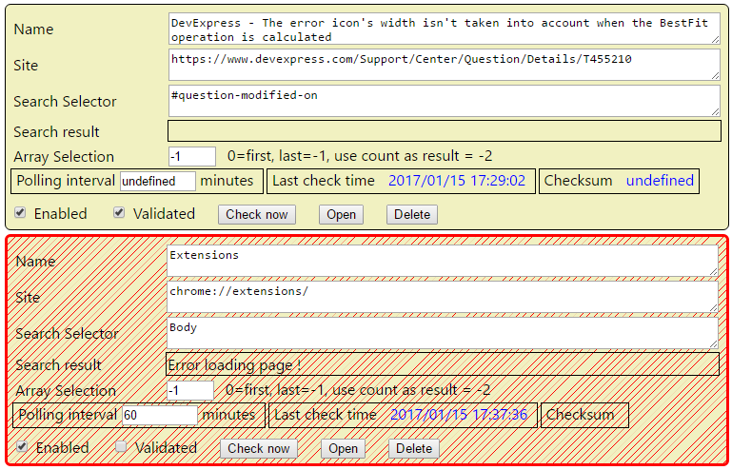

TODO
 | checksum undefined after extension load. Not saved ?
 | Add a Minimize button, mimimize all, collapse all
 | Add a waiting glass

 | bower : tracetool.js
 | take a look at Bootstrap (npm)

 | Array selection : change look : first, last,use coutn, specific index
 |  | O first element
 |  | O Last element
 |  | O use count as result
 |  | O Specific index

 | Publish

